Indices

 | Iraq Stock Exchange
 | Bulletin No (15)
 | ISX Trading Indices of Monday 26/1/2026

 | Traded Volume and OTC |  | 708,218,382 |  | Traded Value and OTC |  | 1,259,794,985 |  | Traders | 948

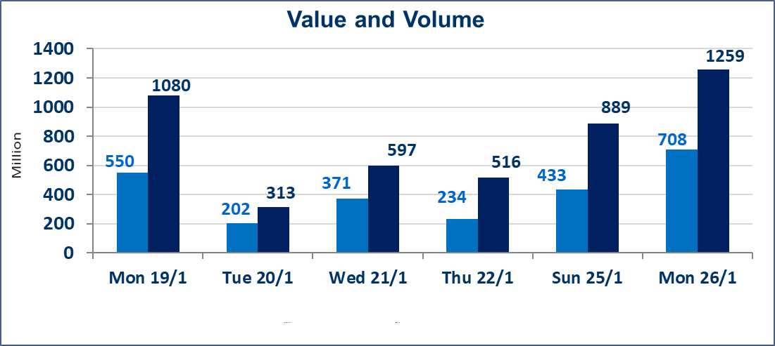
 | ISX Index 60 |  |  | 963.77 | ISX Index 15 |  |  | 1213.27
 | Previous ISX Index60 |  |  | 962.98 | Previous ISX Index15 |  |  | 1209.65
 | Change % |  |  | 0.08 | Change % |  |  | 0.30
 | Change |  |  | 0.79 | Change |  |  | 3.62

 | Listed Companies | 104 | OTC | 14 | Non Traded listed | 41 | OTC | 12
 | Traded Listed Companies | 47 | OTC | 2 | Higher Companies |  |  | 14
 | GAM Companies |  |  | 5 | Lower Companies |  |  | 16
 | Suspended Companies |  |  | 11
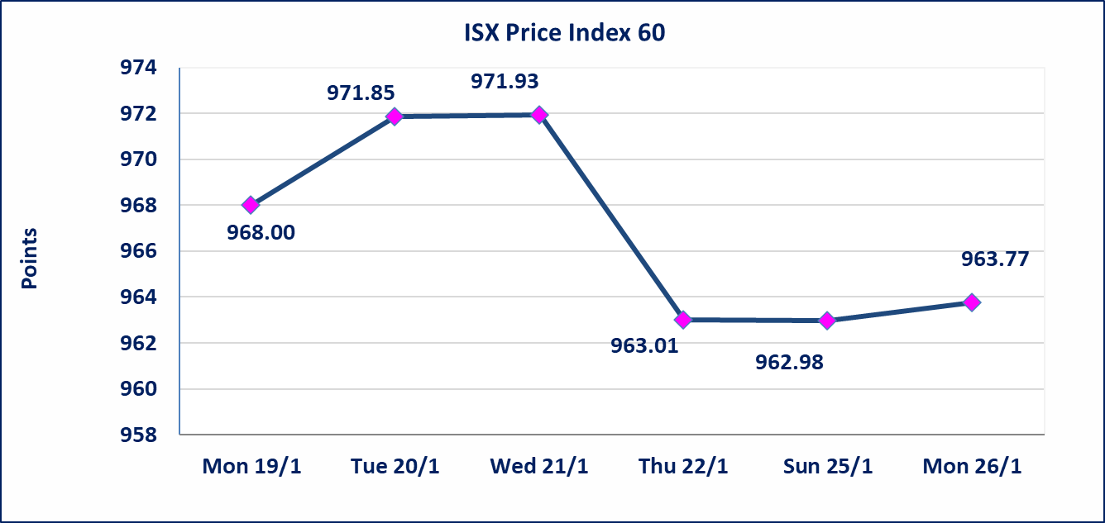
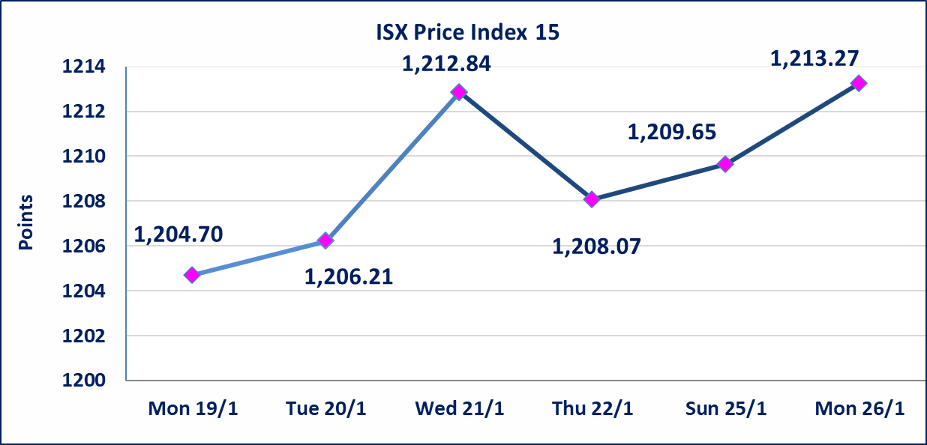

Al-Alwiya P.O . 3607 Mobile: 07711211522 - 07270094594 - 07834000034 E-mail: info-isx@isx-iq.net Web site:www.isx-iq.net

Top 5
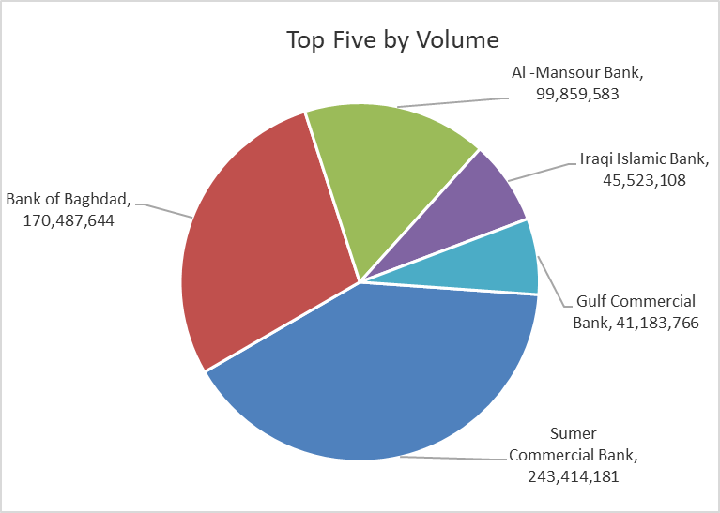
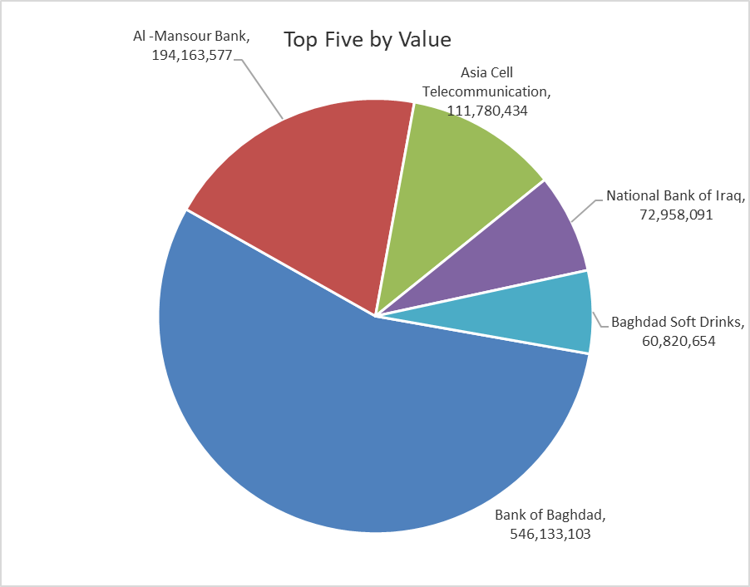

ISX top ganing and losing companies
Monday 26/1/2026
 | Gainers |  |  |  | Losers
 | Company Name | Closing Price | Change (%) | Traded Volume | Company Name | Closing Price | Change (%) | Traded Volume
 | Al-Hamraa for Insurance | 2.670 | 19.73 | 2,007,000 | Baghdad -Iraq Transportation | 21.500 | -4.23 | 2,078,258
 | Iraqi Engineering Works | 5.520 | 15.00 | 17,014 | National Chemical &Plastic | 1.930 | -3.50 | 126,197
 | Al-Ameen for Insurance | 1.010 | 10.99 | 1,241,497 | Al-Hilal Industries | 1.700 | -3.41 | 466,453
 | Kurdistan International Bank | 1.400 | 7.69 | 1,000,000 | Agricultural Products Meat | 4.600 | -3.16 | 320,988
 | Trans Iraq Bank Investment | 0.290 | 7.41 | 219,277 | Babil Animal & Vegetable Production | 6.800 | -2.86 | 740,313
 | The most active companies in term of traded volume and value

 | Traded Volume |  |  |  | Traded Value
 | Company Name | Closing Price | Change (%) | Traded Volume | Company Name | Closing Price | Change (%) | Traded Value
 | Sumer Commercial Bank | 0.130 | 0.00 | 243,414,181 | Bank of Baghdad | 3.230 | -1.22 | 546,133,103
 | Bank of Baghdad | 3.230 | -1.22 | 170,487,644 | Al -Mansour Bank | 1.940 | -0.51 | 194,163,577
 | Al -Mansour Bank | 1.940 | -0.51 | 99,859,583 | Asia Cell Telecommunication | 14.260 | 1.35 | 111,780,434
 | Iraqi Islamic Bank | 1.040 | 0.97 | 45,523,108 | National Bank of Iraq | 4.700 | 0.00 | 72,958,091
 | Gulf Commercial Bank | 0.280 | 0.00 | 41,183,766 | Baghdad Soft Drinks | 5.780 | 0.52 | 60,820,654

Non Iraqis

Iraq Stock Exchange
Non Iraqis' Bulletin Monday Jan 26 2026
Regular Market

Non Iraqi Trading of Regular Market (Buy)
Company Names | Code | No.of trades | Traded Shares | Trading Volume
Telecommunication Sector
Asia cell | TASC | 1 | 17,600 | 249,920
Total Telecommunication sector |  | 1 | 17,600 | 249,920
Grand Total |  | 1 | 17,600 | 249,920

Not Trading Bonds

Iraq Stock Exchange
Monday 26/1/2026
Not Trading Bonds Bulletin
Bond type | Publish type | Code | last trading price | immortilize date
Banaa Bonds /Million ID | Second | CB20 | 964,981 | 19/12/2025
Eamar Bonds /Million ID | First | CB30 | 1,001,095 | ــــــــــــــــ
Eamar Bonds /Million ID | Second | CB40 | ــــــــــــــــ | ــــــــــــــــ
Eamar Bonds /500 Thousand ID | Third | CB45 | ــــــــــــــــ | ــــــــــــــــ
Eamar Bonds /Million ID | Third | CB50 | ــــــــــــــــ | ــــــــــــــــ
Injaz Bonds /500 Thousand ID | First | CB55 | ــــــــــــــــ | ــــــــــــــــ
Injaz Bonds /Million ID | First | CB60 | ــــــــــــــــ | ــــــــــــــــ
Injaz Bonds /500 Thousand ID | Second | CB65 | 515,047 | ــــــــــــــــ
Injaz Bonds /Million ID | Second | CB70 | 1,026,082 | ــــــــــــــــ
Injaz Bonds /500 Thousand ID | Third | CB75 | ــــــــــــــــ | ــــــــــــــــ
Injaz Bonds /Million ID | Third | CB80 | ــــــــــــــــ | ــــــــــــــــ
National Bonds/Million ID | First | CB90 | ــــــــــــــــ | ــــــــــــــــ
National Bonds/500 Thousand ID | Second | CB95 | ــــــــــــــــ | ــــــــــــــــ
National Bonds/Million ID | Second | CB100 | ــــــــــــــــ | ــــــــــــــــ

